CalculateBusSpedRatios
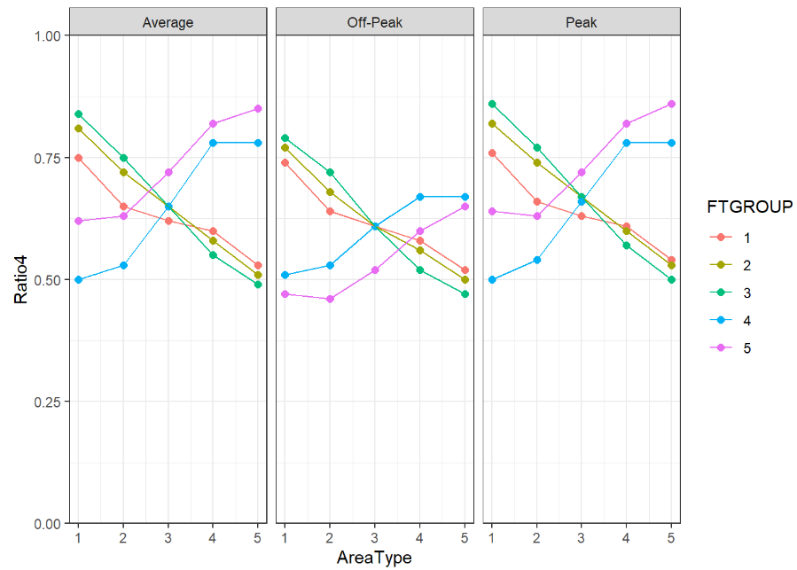
6 - Final Ratios |  |  |  |  |  |  | 5 - Mathematically Smooth Lines |  |  |  |  |  |  | 4 - Manually Smooth Lines |  |  |  |  |  |  | 3 - Fill in Missing Values |  |  |  |  |  |  | 2 - Updating Off-Peak w/ Period Ratios |  |  |  |  |  |  | 1 - Original (Source) Data

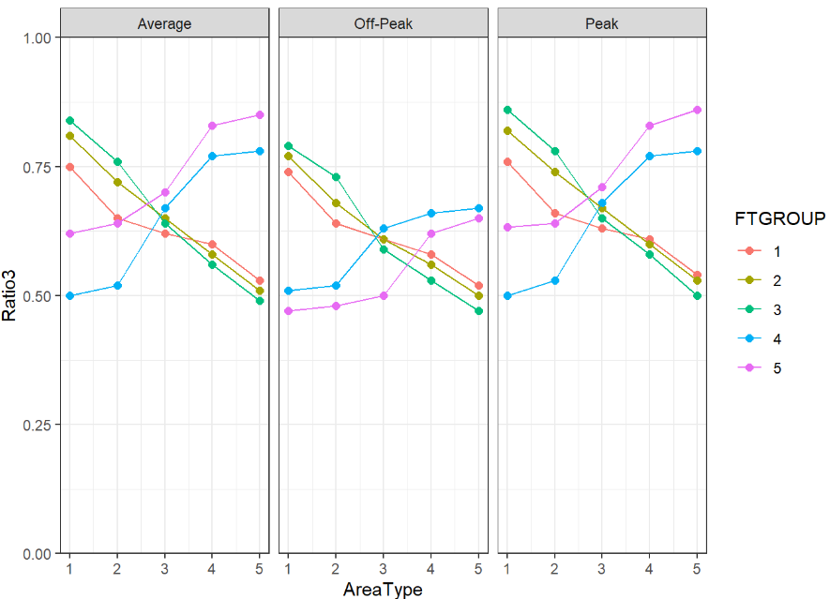
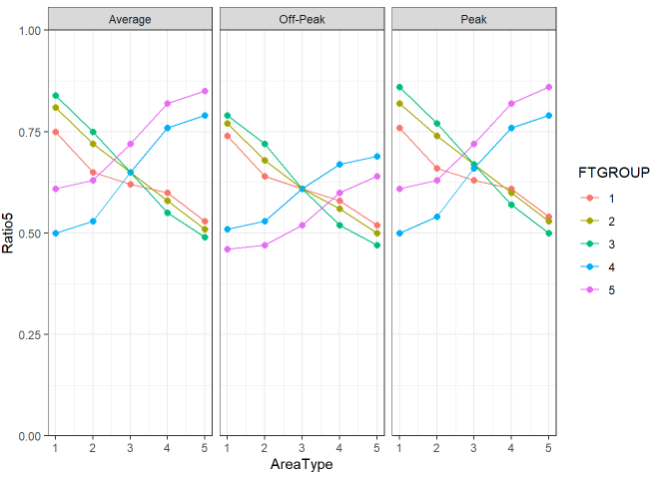
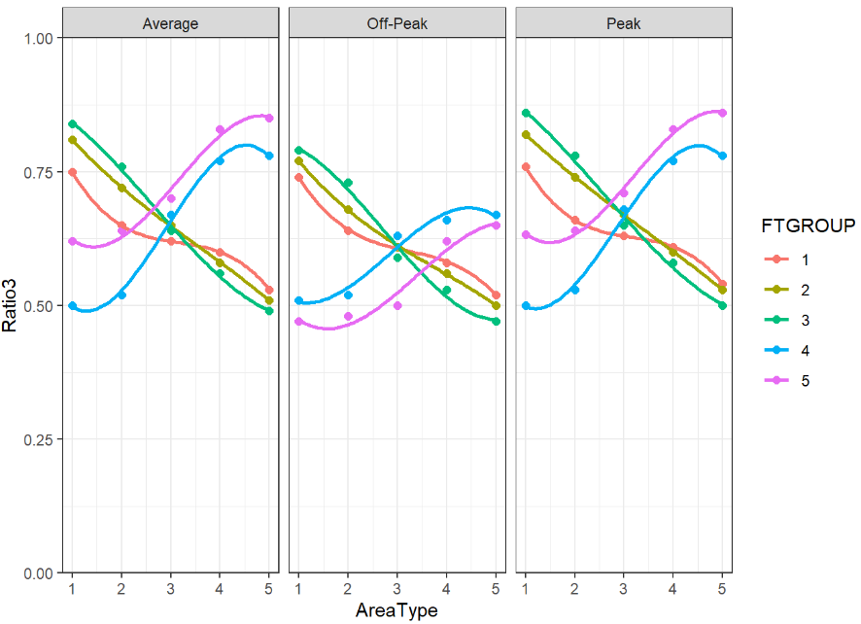
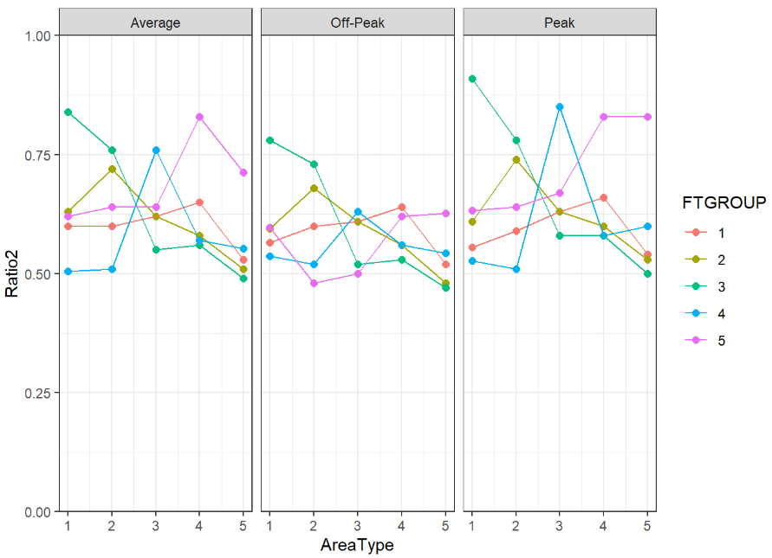
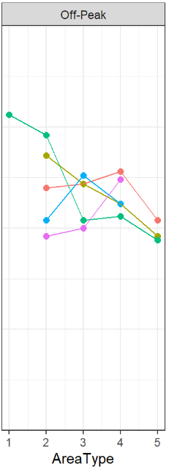
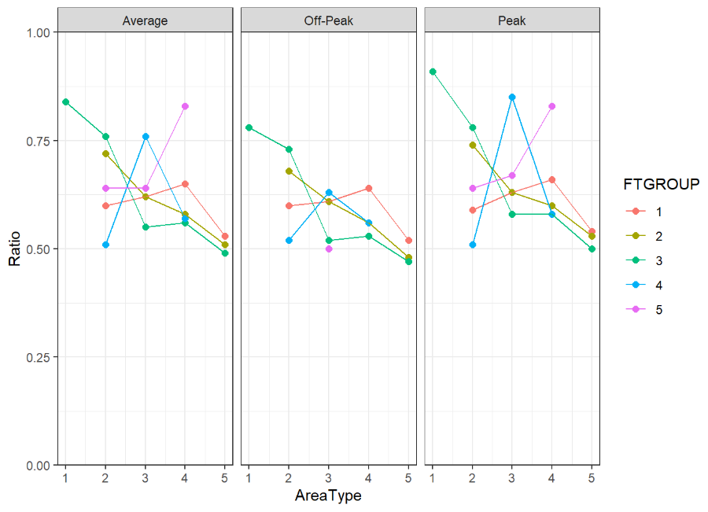
*we make slight adjustments to the mathematically smooth lines, and use these as final ratios |  |  |  |  |  |  | * using the stat_smooth function in R, lets improve slightly upon our manual adjustments |  |  |  |  |  |  | * following the flow of each line, we manually smooth them to follow a logical pattern |  |  |  |  |  |  | * using the na.approx function in R, we fill in these values programatically |  |  |  |  |  |  | *using the ratio between peak and off peak, we estimate some freeway ratios for the off-peak period |  |  |  |  |  |  | https://github.com/WFRCAnalytics/TDM-Bus-Speeds/blob/main/bus_speed_ratios_estimation.Rmd
 |  |  |  |  |  |  |  |  |  |  |  |  |  |  |  |  |  |  |  |  |  |  |  |  |  |  |  |  | Ratio of Off-Peak and Peak Ratios by Function Group
Average | FTGROUP | 1 - Rural | 2 - Transition | 3 - Suburban | 4 - Urban | 5 - CBD-Like | Average | FTGROUP | 1 - Rural | 2 - Transition | 3 - Suburban | 4 - Urban | 5 - CBD-Like | Average | FTGROUP | 1 - Rural | 2 - Transition | 3 - Suburban | 4 - Urban | 5 - CBD-Like | Average | FTGROUP | 1 - Rural | 2 - Transition | 3 - Suburban | 4 - Urban | 5 - CBD-Like |  | FTGROUP | avePkOkRatio |  |  |  |  | Average | FTGROUP | 1 - Rural | 2 - Transition | 3 - Suburban | 4 - Urban | 5 - CBD-Like
 | 1 | 0.75 | 0.65 | 0.62 | 0.6 | 0.53 |  | 1 | 0.75 | 0.65 | 0.62 | 0.6 | 0.53 |  | 1 | 0.75 | 0.65 | 0.62 | 0.6 | 0.53 |  | 1 | 0.6 | 0.6 | 0.62 | 0.65 | 0.53 |  | 1 | 0.979 |  |  |  |  |  | 1 |  | 0.6 | 0.62 | 0.65 | 0.53
 | 2 | 0.81 | 0.72 | 0.65 | 0.58 | 0.51 |  | 2 | 0.81 | 0.72 | 0.65 | 0.58 | 0.51 |  | 2 | 0.81 | 0.72 | 0.65 | 0.58 | 0.51 |  | 2 | 0.63 | 0.72 | 0.62 | 0.58 | 0.51 |  | 2 | 0.932 |  |  |  |  |  | 2 |  | 0.72 | 0.62 | 0.58 | 0.51
 | 3 | 0.84 | 0.75 | 0.65 | 0.55 | 0.49 |  | 3 | 0.84 | 0.75 | 0.65 | 0.55 | 0.49 |  | 3 | 0.84 | 0.76 | 0.64 | 0.56 | 0.49 |  | 3 | 0.84 | 0.76 | 0.55 | 0.56 | 0.49 |  | 3 | 0.909 |  |  |  |  |  | 3 | 0.84 | 0.76 | 0.55 | 0.56 | 0.49
 | 4 | 0.5 | 0.53 | 0.65 | 0.76 | 0.79 |  | 4 | 0.5 | 0.53 | 0.65 | 0.78 | 0.78 |  | 4 | 0.5 | 0.52 | 0.67 | 0.77 | 0.78 |  | 4 | 0.51 | 0.51 | 0.76 | 0.57 | 0.53 |  | 4 | 0.909 |  |  |  |  |  | 4 |  | 0.51 | 0.76 | 0.57
 | 5 | 0.61 | 0.63 | 0.72 | 0.82 | 0.85 |  | 5 | 0.62 | 0.63 | 0.72 | 0.82 | 0.85 |  | 5 | 0.62 | 0.64 | 0.7 | 0.83 | 0.85 |  | 5 | 0.62 | 0.64 | 0.64 | 0.83 | 0.71 |  | 5 | 0.746 |  |  |  |  |  | 5 |  | 0.64 | 0.64 | 0.83

Off-Peak | FTGROUP | 1 - Rural | 2 - Transition | 3 - Suburban | 4 - Urban | 5 - CBD-Like | Off-Peak | FTGROUP | 1 - Rural | 2 - Transition | 3 - Suburban | 4 - Urban | 5 - CBD-Like | Off-Peak | FTGROUP | 1 - Rural | 2 - Transition | 3 - Suburban | 4 - Urban | 5 - CBD-Like | Off-Peak | FTGROUP | 1 - Rural | 2 - Transition | 3 - Suburban | 4 - Urban | 5 - CBD-Like | Off-Peak | FTGROUP | 1 - Rural | 2 - Transition | 3 - Suburban | 4 - Urban | 5 - CBD-Like | Off-Peak | FTGROUP | 1 - Rural | 2 - Transition | 3 - Suburban | 4 - Urban | 5 - CBD-Like
 | 1 | 0.74 | 0.64 | 0.61 | 0.58 | 0.52 |  | 1 | 0.74 | 0.64 | 0.61 | 0.58 | 0.52 |  | 1 | 0.74 | 0.64 | 0.61 | 0.58 | 0.52 |  | 1 | 0.57 | 0.6 | 0.61 | 0.64 | 0.52 |  | 1 |  | 0.6 | 0.61 | 0.64 | 0.52 |  | 1 |  | 0.6 | 0.61 | 0.64 | 0.52
 | 2 | 0.77 | 0.68 | 0.61 | 0.56 | 0.5 |  | 2 | 0.77 | 0.68 | 0.61 | 0.56 | 0.5 |  | 2 | 0.77 | 0.68 | 0.61 | 0.56 | 0.5 |  | 2 | 0.6 | 0.68 | 0.61 | 0.56 | 0.48 |  | 2 |  | 0.68 | 0.61 | 0.56 | 0.48 |  | 2 |  | 0.68 | 0.61 | 0.56 | 0.48
 | 3 | 0.79 | 0.72 | 0.61 | 0.52 | 0.47 |  | 3 | 0.79 | 0.72 | 0.61 | 0.52 | 0.47 |  | 3 | 0.79 | 0.73 | 0.59 | 0.53 | 0.47 |  | 3 | 0.78 | 0.73 | 0.52 | 0.53 | 0.47 |  | 3 | 0.78 | 0.73 | 0.52 | 0.53 | 0.47 |  | 3 | 0.78 | 0.73 | 0.52 | 0.53 | 0.47
 | 4 | 0.51 | 0.53 | 0.61 | 0.67 | 0.69 |  | 4 | 0.51 | 0.53 | 0.61 | 0.67 | 0.67 |  | 4 | 0.51 | 0.52 | 0.63 | 0.66 | 0.67 |  | 4 | 0.54 | 0.52 | 0.63 | 0.56 | 0.54 |  | 4 |  | 0.52 | 0.63 | 0.56 |  |  | 4 |  | 0.52 | 0.63 | 0.56
 | 5 | 0.46 | 0.47 | 0.52 | 0.6 | 0.64 |  | 5 | 0.47 | 0.46 | 0.52 | 0.6 | 0.65 |  | 5 | 0.47 | 0.48 | 0.5 | 0.62 | 0.65 |  | 5 | 0.6 | 0.48 | 0.5 | 0.62 | 0.63 |  | 5 |  | 0.48 | 0.5 | 0.62 |  |  | 5 |  |  | 0.5

Peak | FTGROUP | 1 - Rural | 2 - Transition | 3 - Suburban | 4 - Urban | 5 - CBD-Like | Peak | FTGROUP | 1 - Rural | 2 - Transition | 3 - Suburban | 4 - Urban | 5 - CBD-Like | Peak | FTGROUP | 1 - Rural | 2 - Transition | 3 - Suburban | 4 - Urban | 5 - CBD-Like | Peak | FTGROUP | 1 - Rural | 2 - Transition | 3 - Suburban | 4 - Urban | 5 - CBD-Like |  |  |  |  |  |  |  | Peak | FTGROUP | 1 - Rural | 2 - Transition | 3 - Suburban | 4 - Urban | 5 - CBD-Like
 | 1 | 0.76 | 0.66 | 0.63 | 0.61 | 0.54 |  | 1 | 0.76 | 0.66 | 0.63 | 0.61 | 0.54 |  | 1 | 0.76 | 0.66 | 0.63 | 0.61 | 0.54 |  | 1 | 0.56 | 0.59 | 0.63 | 0.66 | 0.54 |  |  |  |  |  |  |  |  | 1 |  | 0.59 | 0.63 | 0.66 | 0.54
 | 2 | 0.82 | 0.74 | 0.67 | 0.6 | 0.53 |  | 2 | 0.82 | 0.74 | 0.67 | 0.6 | 0.53 |  | 2 | 0.82 | 0.74 | 0.67 | 0.6 | 0.53 |  | 2 | 0.61 | 0.74 | 0.63 | 0.6 | 0.53 |  |  |  |  |  |  |  |  | 2 |  | 0.74 | 0.63 | 0.6 | 0.53
 | 3 | 0.86 | 0.77 | 0.67 | 0.57 | 0.5 |  | 3 | 0.86 | 0.77 | 0.67 | 0.57 | 0.5 |  | 3 | 0.86 | 0.78 | 0.65 | 0.58 | 0.5 |  | 3 | 0.91 | 0.78 | 0.58 | 0.58 | 0.5 |  |  |  |  |  |  |  |  | 3 | 0.91 | 0.78 | 0.58 | 0.58 | 0.5
 | 4 | 0.5 | 0.54 | 0.66 | 0.76 | 0.79 |  | 4 | 0.5 | 0.54 | 0.66 | 0.78 | 0.78 |  | 4 | 0.5 | 0.53 | 0.68 | 0.77 | 0.78 |  | 4 | 0.53 | 0.51 | 0.85 | 0.58 | 0.6 |  |  |  |  |  |  |  |  | 4 |  | 0.51 | 0.85 | 0.58
 | 5 | 0.61 | 0.63 | 0.72 | 0.82 | 0.86 |  | 5 | 0.64 | 0.63 | 0.72 | 0.82 | 0.86 |  | 5 | 0.63 | 0.64 | 0.71 | 0.83 | 0.86 |  | 5 | 0.63 | 0.64 | 0.67 | 0.83 | 0.83 |  |  |  |  |  |  |  |  | 5 |  | 0.64 | 0.67 | 0.83

